E1150_780F1BY(NPAYDB11)
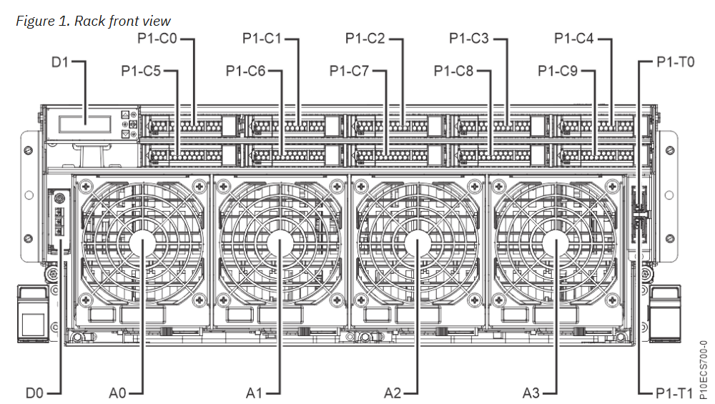
S3-B6-13 IBM E1150 NPAYDB01 | Base Back View(IBM 9043-MRU SN : 780F1BY)

 | Slot | P0-C0 | P0-C1 | P0-C2 | P0-C3 | P0-C4 | P0-C5 | P0-C6 | P0-C7 | P0-C8 | P0-C9 | P0-C10 | P0-C11
 |  |  | PCie4 x8 | PCie4 x16/e5 x8 | PCie4 x16/e5 x8 | PCie4 x16/e5 x8 | PCie4 x16/e5 x8 | PCie4 x8 | PCie4 x16/e5 x8 | PCie4 x16/e5 x8 | PCie4 x8 | PCie4 x8/e5 x8 | PCie4 x16/e5 x8
 | SCM |  | 0 | 1 | 1 | 0 | 0 | 1 | 1 | 1 | 0 | 0 | 0
 | 비고 |  | NIC우선 | 3/4소켓 | 3/4소켓 | 3/4소켓 | 3/4소켓
CEC U780C.ND0.WZS047D 13U~16U | LPAR |  | NPAYDB11 |  |  |  |  | NPAYDB11 | NPAYDB11 | NPAYDB11 | NPAYDB11 | NPAYDB11 | NPAYDB11
 | Adapter | FSP카드 |  |  |  |  |  | NIC SX/RJ45 | FC(32G) | NIX SX(10G) | NIC SX/RJ45 | FC(32G) | NIX SX(10G)
 |  |  |  |  |  |  |  | 4 Port | 2 Port | 2 Port | 4 Port | 2 Port | 2 Port
 | T1 |  |  |  |  |  |  | port0 | port0 | port0 | port0 | port0 | port0
 | T2 |  |  |  |  |  |  | port1 | port1 | port1 | port1 | port1 | port1
 | T3 |  |  |  |  |  |  | port0 |  |  | port0
 | T4 |  |  |  |  |  |  | port1 |  |  | port1
 | Feature code |  |  |  |  |  |  | EN0S | EN1J | EC72 | EN0S | EN1J | EC72
Internal Disk | Slot Disk | C0 | C1 | C2 | C3 | C4 |  | 백업망-Active ent8 |  | 서비스망-Active ent6 | 백업망-Standby ent2 |  | 서비스망-Standby ent0
 |  |  |  |  | 800GB | 800GB
 |  | C5 | C6 | C7 | C8 | C9 |  | 동기화망-Active ent10 |  |  | 동기화망-Standby ent4
 |  |  |  |  | 800GB | 800GB |  |  |  |  | RMC Network ent5
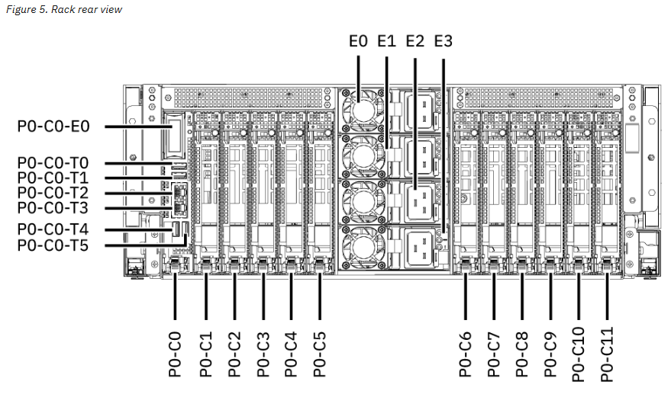
E1150서버 2 processors 가용 Slot : C1, C6, C7, C8, C9, C10, C11
Feature code | Description |  | Slot priority (2 processors)
EC72 | PCIe4 2-port 25/10/1 Gb RoCE SFP28 adapter (FC EC71 and FC EC72; CCIN 2CF9); Adapter part number: 03HD074 |  | C11, C8, C10, C7, C9, C6, C1 |  |  |  |  | Etherchannel ent12(ent6,ent0) = 서비스망
EN1J | PCIe4 x8 2-port Fibre Channel (32 Gb/s); (FC EN1J and FC EN1K; CCIN 579C); Adapter part number: 02CM909 |  | C11, C8, C10, C7, C9, C6 |  |  |  |  | Etherchannel ent13(ent10,ent4) = 동기화망
EN0S | PCIe2 4-port (10 Gb + 1 GbE) SR+RJ45 adapter (FC EN0S; CCIN 2CC3) |  | (E1150에는 없음) 남는 포트 할당 C6,C9,C1 |  |  |  |  | Etherchannel ent14(ent8,ent2) = 백업망

펌웨어
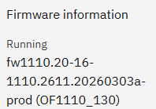
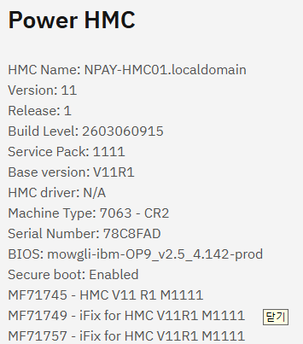
장비 | 현재 버전 | 권고 버전 | Release date | 비고
E1150 (9043-MRU) | OF1110_130 | OF1110_145 | 2026-06-26 | 권고버전 업데이트 완료
HMC (7063-CR2) | V11 R1 SP1111 | iFix MF71757 | 2026-03-30 | 권고버전 적용됨

